NL Catering Price Sheet
[Customer Name] |  |  |  | Nightlight Catering Contact: | Dave Masterson
[Event Date] |  |  |  |  | Dave@NightlightFoundation.org
[Address] |  |  |  |  | 610-592-8950
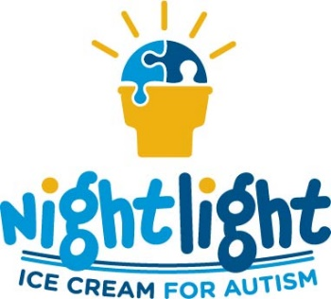
ITEM | PRICE | QUANTITY | TOTAL

Nightlight Ice Cream Bars
Vanilla | 4.00 |  | -
Chocolate & Peanut Butter | 4.00 |  | -
Red Raspberry | 4.00 |  | -

Ice Cream Sandwich
Bassets Ice Cream Sandwich | 2.00 |  | -
Chocolate Chip Cookie Sandwich | 3.00 |  | -

Ice Cream Cake
Vanilla & Chocolate Cake (Serves 6) | 18.50 |  | -

Bassetts Hand-Dipped Ice Cream (2.5 Gallon Tubs) [Choose up to 2 Flavors ]
2 scoops per person; serves approx. 20 people
Vanilla | 80.00 |  | -
Chocolate | 80.00 |  | -
Cookies & Cream | 80.00 |  | -
Mint Chocolate Chip | 80.00 |  | -
Salted Caramel Pretzel | 80.00 |  | -
Chocolate Chip Cookie Dough | 80.00 |  | -
Guatemalan Ripple | 80.00 |  | -
Peanut Butter Swirl | 80.00 |  | -
Moose Tracks | 80.00 |  | -
Birthday Cake | 80.00 |  | -
Raspberry Truffle | 80.00 |  | -
Dark Chocolate | 80.00 |  | -
Strawberry | 80.00 |  | -
Butter Pecan | 80.00 |  | -
Dark Chocolate Chip | 80.00 |  | -
Coffee | 80.00 |  | -
Other Flavor | 80.00 |  | -

Included
Whipped Cream | - | 1 | -
Sprinkles (Chocolate and Rainbow) | - | 1 | -
Chocolate Sauce | - | 1 | -
Caramel Sauce | - | 1 | -

Product Cost ($150 minimum) |  |  | -
Setup Fee (Tax Free Nightlight Foundation "Donation") |  |  | 150.00
6.0% Sales Tax |  |  | -
15.0% Gratuity on Product Cost |  |  | -
Total |  |  | 150.00

Less Non-Refundable Deposit |  |  | (50.00)
Total Amount Due At Event |  |  | 100.00

